Statusword PPM
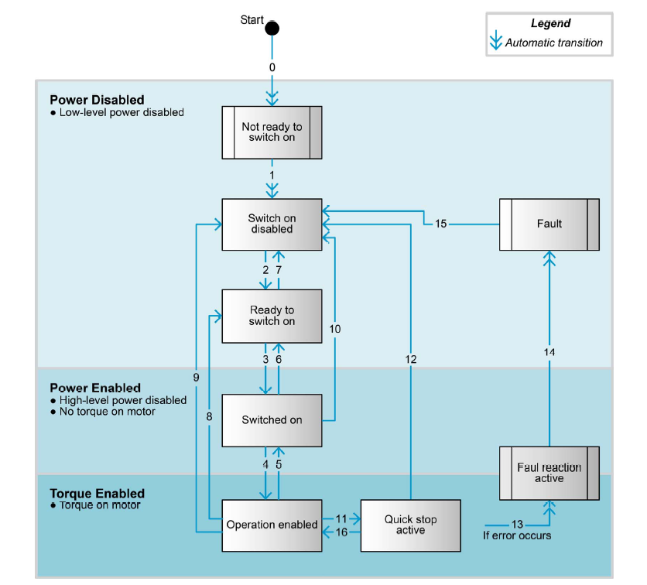
 |  | HEX |  | Firmware Specification, 2.2.1; 6.2.86
 |  | 1037 |  | Name | Statusword |  | Access type | RO
 |  |  |  | Index | 0x6041 |  | PDO map. | TXPDO
 |  | DEC |  | Subindex | 0x00 |  | Backup | NO
 |  | 4151 |  | Data type | UNSIGNED16

 |  | BIN
 |  | 0001000000110111
Bits |  | 0 | 0 | 0 | 1 | 0 | 0 | 0 | 0 | 0 | 0 | 1 | 1 | 0 | 1 | 1 | 1
Number of bit |  | 15 | 14 | 13 | 12 | 11 | 10 | 9 | 8 | 7 | 6 | 5 | 4 | 3 | 2 | 1 | 0
PPM |  | Position referenced to home position | Reserved (0) | Following error | Setpoint acknowledge | Internal limit active | Target reached | Remote | Reserved (0) | Warning | Switch on disabled | Quick stop | Voltage enabled (power stage on) | Fault | Operation enabled | Switched on | Ready to switch on

State: | Match |  |  |  |  |  |  |  |  |  |  |  |  |  |  |  |  |  | HEX Value
Not ready to switch on | ++ | x | x | x | x | x | x | x | x | x | 0 | 0 | x | 0 | 0 | 0 | 0 | #NAME? | #NAME?
Switch on disabled | + | x | x | x | x | x | x | x | x | x | 1 | 0 | x | 0 | 0 | 0 | 0 | #NAME? | #NAME?
Ready to switch on | ++++ | x | x | x | x | x | x | x | x | x | 0 | 1 | x | 0 | 0 | 0 | 1 | #NAME? | #NAME?
Switched on | +++++ | x | x | x | x | x | x | x | x | x | 0 | 1 | x | 0 | 0 | 1 | 1 | #NAME? | #NAME?
Operation enabled | ++++++ | x | x | x | x | x | x | x | x | x | 0 | 1 | x | 0 | 1 | 1 | 1 | #NAME? | #NAME?
Quick stop active | +++++ | x | x | x | x | x | x | x | x | x | 0 | 0 | x | 0 | 1 | 1 | 1 | #NAME? | #NAME?
Fault reaction active | ++++ | x | x | x | x | x | x | x | x | x | 0 | 0 | x | 1 | 1 | 1 | 1 | #NAME? | #NAME?
Fault | + | x | x | x | x | x | x | x | x | x | 0 | 0 | x | 1 | 0 | 0 | 0 | #NAME? | #NAME?

Controlword PPM
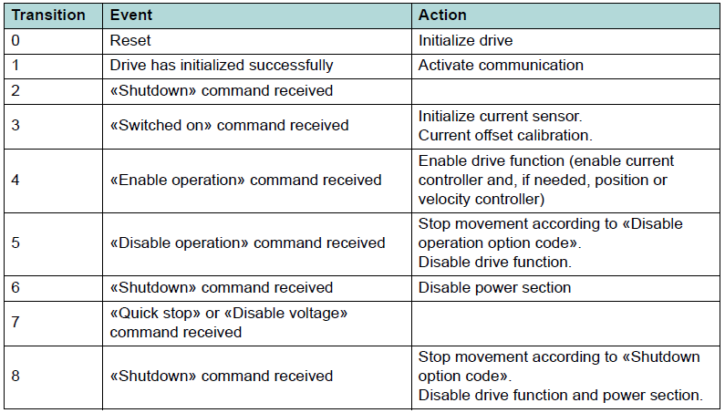
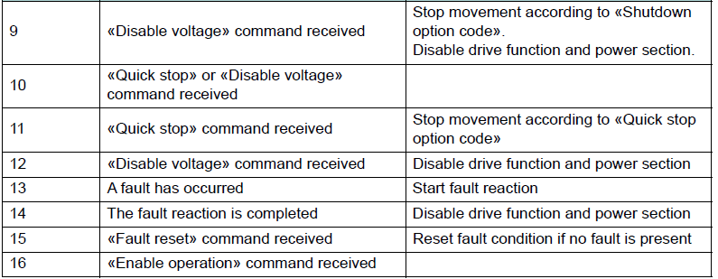
 |  |  |  | HEX |  | Firmware Specification, 2.2.2; 2.2.3; 6.2.85
 |  |  |  | 0F |  | Name | Controlword |  | Access type | RW
 |  |  |  |  |  | Index | 0x6040 |  | PDO map. | RXPDO
 |  |  |  | DEC |  | Subindex | 0x00 |  | Backup | NO
 |  |  |  | 15 |  | Data type | UNSIGNED16

 |  |  |  | BIN
 |  |  |  | 00001111
Bits |  |  |  | 0 | 0 | 0 | 0 | 1 | 1 | 1 | 1
Number of bit | 15 | ... | 8 | 7 | 6 | 5 | 4 | 3 | 2 | 1 | 0
 | Endless movement | reserved | Halt | Fault reset | Abs/rel | Change set immediately | New setpoint | Enable operation | Quick stop | Enable voltage | Switched on

State: |  |  | Match |  |  |  |  |  |  |  |  |  | HEX Value | State transition
Shutdown |  |  | +++ | 0 | x | x | x | x | 1 | 1 | 0 | #NAME? | #NAME? | 2, 6, 8
Switch on |  |  | ++++ | 0 | x | x | x | x | 1 | 1 | 1 | #NAME? | #NAME? | 3
Switch on & Enable operation |  |  | +++++ | 0 | x | x | x | 1 | 1 | 1 | 1 | #NAME? | #NAME? | 3, 4 (*1)
Disable voltage |  |  | + | 0 | x | x | x | x | x | 0 | x | #NAME? | #NAME? | 7, 9, 10, 12
Quick stop |  |  | ++ | 0 | x | x | x | x | 0 | 1 | x | #NAME? | #NAME? | 11
Disable operation |  |  | ++++ | 0 | x | x | x | 0 | 1 | 1 | 1 | #NAME? | #NAME? | 5
Enable operation |  |  | +++++ | 0 | x | x | x | 1 | 1 | 1 | 1 | #NAME? | #NAME? | 4, 16
Fault reset |  |  | + | 0 | x | x | x | x | x | x | x | #NAME? | #NAME? | 14, 15

